Model Fit
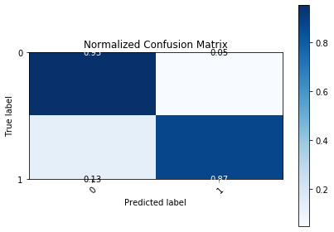
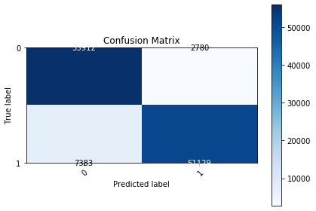
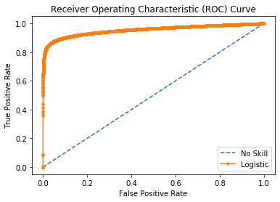
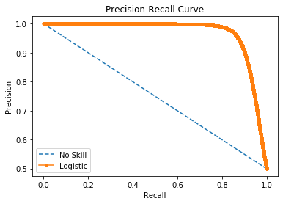

Logistic Area Under Curve | 0.95438292768 | Logistic Area Under Curve | 0.96752182551
No Skill Area Under Curve | 0.5 | Logistic F1 | 0.90959874045
Optimal Threshold | 0.59322622611 | No Skill Area Under Curve | 0.74961605406
 |  | No Skill F1 | 0
 |  | Best Threshold (F1) | 0.52

